Calculation
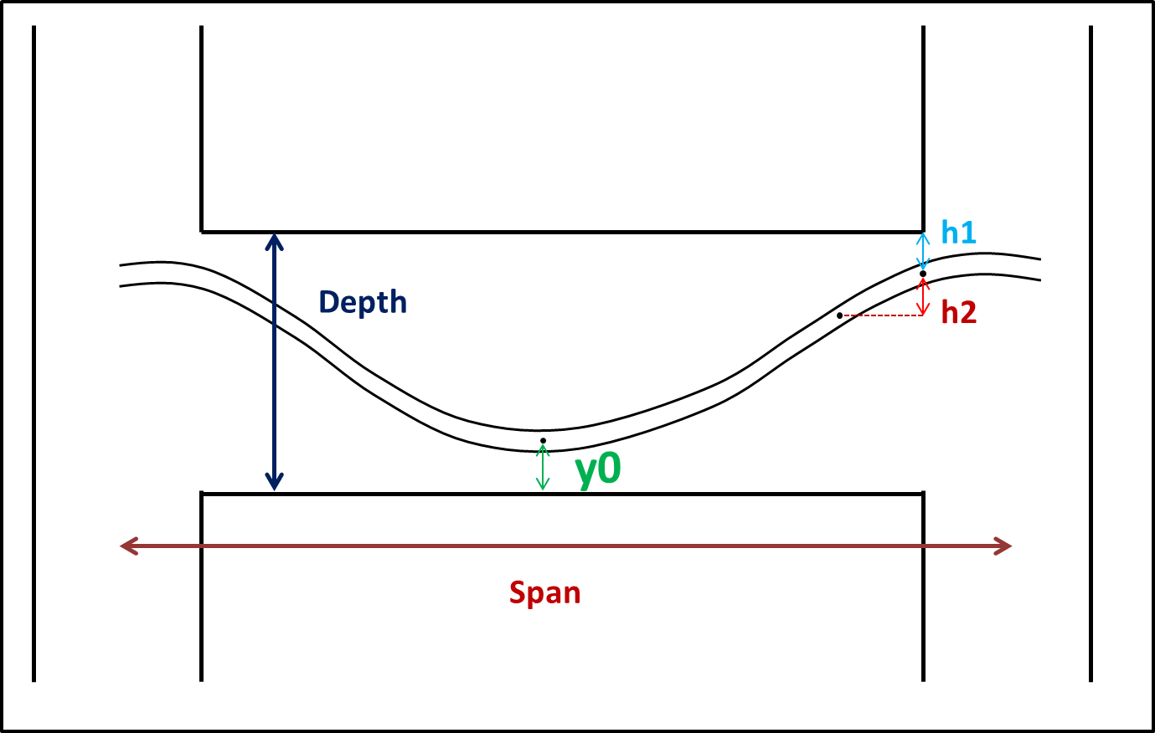

Insert Value Here
 |  |  |  | Input values
 |  |  |  | Span(ft) | Depth(mm) | y0(mm) | h1(mm) | h2(mm) | Duct Dia(mm) | Width (mm) | Desired position from midspan (ft)
Insert values here |  |  |  | 100 | 300 | 50 | 65 | 20 | 40 | 200 | 45

Beam duct profile
 | Output
 | Distance from midspan (ft) | Position of upper surface of duct | Position of lower surface of duct | Position of centreline of duct
 | 0 | 70 | 30 | 50 |  |  |  |  |  | centre | lower | upper
 | L/10 | 80.3125 | 40.3125 | 60.3125 |  |  |  |  | 0 | 235 | 215 | 255 | 0 | 300
 | 2L/10 | 111.25 | 71.25 | 91.25 |  |  |  |  | 10 | 215 | 195 | 235 | 0 | 300
 | 3L/10 | 162.8125 | 122.8125 | 142.8125 |  |  |  |  | 20 | 142.8125 | 122.8125 | 162.8125 | 0 | 300
 | 4L/10 | 235 | 195 | 215 |  |  |  |  | 30 | 91.25 | 71.25 | 111.25 | 0 | 300
 | 5L/10 | 255 | 215 | 235 |  |  |  |  | 40 | 60.3125 | 40.3125 | 80.3125 | 0 | 300
 | 45 | 245 | 205 | 225 |  |  |  |  | 50 | 50 | 30 | 70 | 0 | 300
 |  |  |  |  |  |  |  |  | 60 | 60.3125 | 40.3125 | 80.3125 | 0 | 300
 |  |  |  |  |  |  |  |  | 70 | 91.25 | 71.25 | 111.25 | 0 | 300
 |  |  |  |  |  |  |  |  | 80 | 142.8125 | 122.8125 | 162.8125 | 0 | 300
 |  |  |  |  |  |  |  |  | 90 | 215 | 195 | 235 | 0 | 300
 |  |  |  |  |  |  |  |  | 100 | 235 | 215 | 255 | 0 | 300

 |  |  |  |  |  |  |  |  |  |  | 95 | 5

Midspan
L/10
2L/10
3L/10
4L/10
5L/10
Desired Section
Girder Section Profiles
 | x values | y values bottom girder | y values top girder | y values sides | x values left girder | x values right girder
 | 0 | 0 | 300 | 0 | 0 | 200
 | 50 | 0 | 300 | 60 | 0 | 200
 | 100 | 0 | 300 | 120 | 0 | 200
 | 150 | 0 | 300 | 180 | 0 | 200
 | 200 | 0 | 300 | 240 | 0 | 200
 |  |  |  | 300 | 0 | 200

 |  |  |  | 0 |  | L/10 |  | 2L/10 |  | 3L/10 |  | 4L/10 |  | 5L/10 |  | Desired point
 | x centre | y centre |  | x | y | x | y | x | y | x | y | x | y | x | y | x | y
0 | 100 | 50 |  | 120 | 50 | 120 | 60.3125 | 120 | 91.25 | 120 | 142.8125 | 120 | 215 | 120 | 235 | 120 | 225
L/10 | 100 | 60.3125 |  | 117.32050808 | 60 | 117.32050808 | 70.3125 | 117.32050808 | 101.25 | 117.32050808 | 152.8125 | 117.32050808 | 225 | 117.32050808 | 245 | 117.32050808 | 235
2L/10 | 100 | 91.25 |  | 114.14213562 | 64.142135624 | 114.14213562 | 74.454635624 | 114.14213562 | 105.39213562 | 114.14213562 | 156.95463562 | 114.14213562 | 229.14213562 | 114.14213562 | 249.14213562 | 114.14213562 | 239.14213562
3L/10 | 100 | 142.8125 |  | 110 | 67.320508076 | 110 | 77.633008076 | 110 | 108.57050808 | 110 | 160.13300808 | 110 | 232.32050808 | 110 | 252.32050808 | 110 | 242.32050808
4L/10 | 100 | 215 |  | 100 | 70 | 100 | 80.3125 | 100 | 111.25 | 100 | 162.8125 | 100 | 235 | 100 | 255 | 100 | 245
5L/10 | 100 | 235 |  | 90 | 67.320508076 | 90 | 77.633008076 | 90 | 108.57050808 | 90 | 160.13300808 | 90 | 232.32050808 | 90 | 252.32050808 | 90 | 242.32050808
desired | 100 | 225 |  | 85.857864376 | 64.142135624 | 85.857864376 | 74.454635624 | 85.857864376 | 105.39213562 | 85.857864376 | 156.95463562 | 85.857864376 | 229.14213562 | 85.857864376 | 249.14213562 | 85.857864376 | 239.14213562
 |  |  |  | 82.679491924 | 60 | 82.679491924 | 70.3125 | 82.679491924 | 101.25 | 82.679491924 | 152.8125 | 82.679491924 | 225 | 82.679491924 | 245 | 82.679491924 | 235
 |  |  |  | 80 | 50 | 80 | 60.3125 | 80 | 91.25 | 80 | 142.8125 | 80 | 215 | 80 | 235 | 80 | 225
 |  |  |  | 82.679491924 | 40 | 82.679491924 | 50.3125 | 82.679491924 | 81.25 | 82.679491924 | 132.8125 | 82.679491924 | 205 | 82.679491924 | 225 | 82.679491924 | 215
 |  |  |  | 85.857864376 | 35.857864376 | 85.857864376 | 46.170364376 | 85.857864376 | 77.107864376 | 85.857864376 | 128.67036438 | 85.857864376 | 200.85786438 | 85.857864376 | 220.85786438 | 85.857864376 | 210.85786438
 |  |  |  | 90 | 32.679491924 | 90 | 42.991991924 | 90 | 73.929491924 | 90 | 125.49199192 | 90 | 197.67949192 | 90 | 217.67949192 | 90 | 207.67949192
 |  |  |  | 100 | 30 | 100 | 40.3125 | 100 | 71.25 | 100 | 122.8125 | 100 | 195 | 100 | 215 | 100 | 205
 |  |  |  | 110 | 32.679491924 | 110 | 42.991991924 | 110 | 73.929491924 | 110 | 125.49199192 | 110 | 197.67949192 | 110 | 217.67949192 | 110 | 207.67949192
 |  |  |  | 114.14213562 | 35.857864376 | 114.14213562 | 46.170364376 | 114.14213562 | 77.107864376 | 114.14213562 | 128.67036438 | 114.14213562 | 200.85786438 | 114.14213562 | 220.85786438 | 114.14213562 | 210.85786438
 |  |  |  | 117.32050808 | 40 | 117.32050808 | 50.3125 | 117.32050808 | 81.25 | 117.32050808 | 132.8125 | 117.32050808 | 205 | 117.32050808 | 225 | 117.32050808 | 215
 |  |  |  | 120 | 50 | 120 | 60.3125 | 120 | 91.25 | 120 | 142.8125 | 120 | 215 | 120 | 235 | 120 | 225

